Prettified breakdown
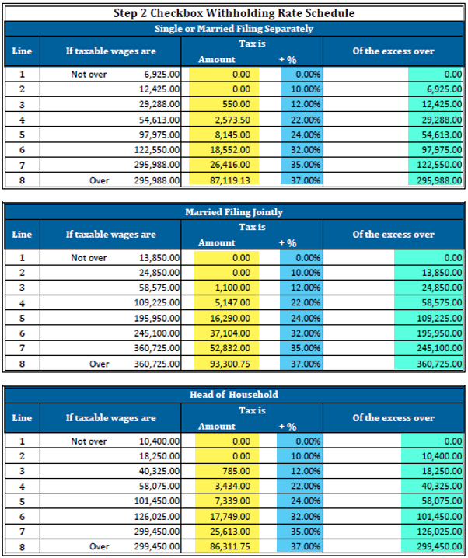
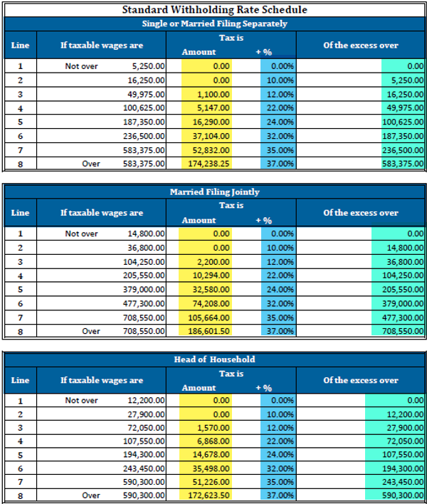
Provide below to the employee - Do not edit these fields |  |  |  |  |  |  |  |  | Use this section to populate fields
01/00/00 Check |  |  | 01/00/00 Check |  |  | 01/00/00 Check |  |  | Check 1 | Check 2 | Check 3 | 2023
Subject wages |  | $- | Subject wages |  | $- | Subject wages |  | $- | 2020 W4 and on | 2020 W4 and on | 2020 W4 and on
less total pre-tax | - | $- | less total pre-tax | - | $- | less total pre-tax | - | $- | Filing status | Filing status | Filing status
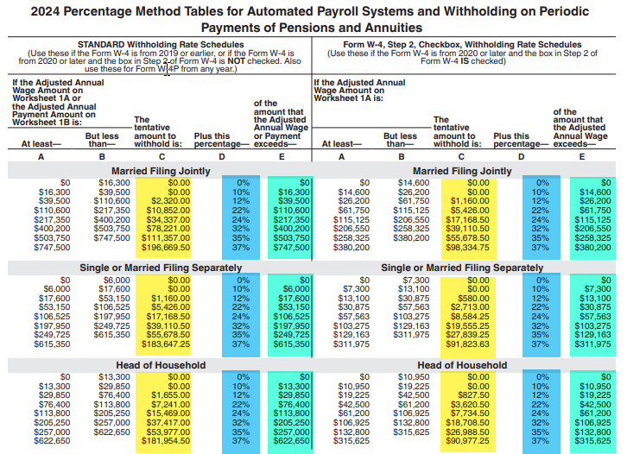
taxable wages |  | $- | taxable wages |  | $- | taxable wages |  | $- | Multiple Jobs? | Multiple Jobs? | Multiple Jobs?
times # of payperiods | * | 26 | times # of payperiods | * | 26 | times # of payperiods | * | 26 | Extra Withholding | Extra Withholding | Extra Withholding
Annualized taxable wages |  | $- | Annualized taxable wages |  | $- | Annualized taxable wages |  | $- | Allowances | Allowances | Allowances
Other Income Amount on step 4 of W4 | + | $- | Other Income Amount on step 4 of W4 | + | $- | Other Income Amount on step 4 of W4 | + | $- | Dependant | Dependant | Dependant
 |  | $- |  |  | $- |  |  | $- | Other income | Other income | Other income
deductions from W4 step 4b |  | $- | deductions from W4 step 4b |  | $- | deductions from W4 step 4b |  | $- | Deductions | Deductions | Deductions
 |  | $- |  |  | $- |  |  | $- | Check Data | Check Data | Check Data
Subtract Standard Ded ($8600 for ) | - | $8,600.00 | Subtract Standard Ded ($8600 for ) | - | $8,600.00 | Subtract Standard Ded ($8600 for ) | - | $8,600.00 | Check Date | Check Date | Check Date
 |  | $(8,600.00) |  |  | $(8,600.00) |  |  | $(8,600.00) | Gross wages - Grp life adj | Gross wages - Grp life adj | Gross wages - Grp life adj
withholding table "of the excess over" | - | $- | withholding table "of the excess over" | - | $- | withholding table "of the excess over" | - | $- | Pretax deductions | Pretax deductions | Pretax deductions
 |  | $(8,600.00) |  |  | $(8,600.00) |  |  | $(8,600.00) | Total Payslip FIT | Total Payslip FIT | Total Payslip FIT
times the withholding rate | * | 0% | times the withholding rate | * | 0% | times the withholding rate | * | 0% | Tax Table | Tax Table | Tax Table
 |  | $- |  |  | $- |  |  | $- | Table "Amount" | Table "Amount" | Table "Amount"
add "amount" | + | $- | add "amount" | + | $- | add "amount" | + | $- | Table "%" | Table "%" | Table "%"
 |  | $- |  |  | $- |  |  | $- | Table "Of Excess over" | Table "Of Excess over" | Table "Of Excess over"
divide # of payperiods | / | 26 | divide # of payperiods | / | 26 | divide # of payperiods | / | 26 | Supplemental | Supplemental | Supplemental
 |  | $- |  |  | $- |  |  | $- | None | None | None
Subtract tax credit amount from W4 step 3 ( divided by 26 pp) | - | $- | Subtract tax credit amount from W4 step 3 ( divided by 26 pp) | - | $- | Subtract tax credit amount from W4 step 3 ( divided by 26 pp) | - | $- | Supplemental Pretax | Supplemental Pretax | Supplemental Pretax
 |  | $- |  |  | $- |  |  | $-
Extra Withholding | + | $- | Extra Withholding | + | $- | Extra Withholding | + | $-
TOTAL calculated |  | $- | TOTAL calculated |  | $- | TOTAL calculated |  | $-
If "Total Calculated" equals a negative amount, $0 will withhold |  |  | If "Total Calculated" equals a negative amount, $0 will withhold |  |  | If "Total Calculated" equals a negative amount, $0 will withhold

FIT Calculated |  | $- | FIT Calculated |  | $- | FIT Calculated |  | $-
Actual Withheld | - | $- | Actual Withheld | - | $- | Actual Withheld | - | $-
Variance |  | $- | Variance |  | $- | Variance |  | $-

